58 Vert and Hor Look Up Table
0 | 1 | 2 | 3 | 4 | 5 | 6 | 7 | 8 | 9 | 10 | 11 | 12 | 13 | 14 | 15 | 16 | 17 | 18 | 19 | 20 | 21 | 22 | 23 | 24 | 25 | 26 | 27 | 28 | 29 | 30 | 31 | 32 | 33 | 34 | 35 | 36 | 37 | 38 | 39 | 40 | 41 | 42 | 43 | 44 | 45 | 46 | 47 | 48 | 49 | 50 | 51 | 52 | 53 | 54 | 55 | 56 | 57 | 58 | 59 | 60 | 61 | 62 | 63 | 64 | 65 | 66 | 67 | 68 | 69 | 70 | 71 | 72 | 73 | 74 | 75
DocumentType | SenderId | ReceiverId | Version | Id | PlanName | PlanType | Name | DisplayName.Locale | DisplayName.I18nKey | DisplayName | Description.Locale | Description.I18nKey | Description | LookupType | VerticalLookupTableOptions.Locale | VerticalLookupTableOptions.I18nKey | VerticalLookupTableOptions.Name | VerticalLookupTableOptions.DataType | VerticalLookupTableOptions.Ascending | VerticalLookupTableOptions.MatchMode | VerticalLookupTableOptions.InterpolationFormula | VerticalLookupTableOptions.LowerOutOfBoundBehavior | VerticalLookupTableOptions.UpperOutOfBoundBehavior | HorizontalLookupTableOptions.Locale | HorizontalLookupTableOptions.I18nKey | HorizontalLookupTableOptions.Name | HorizontalLookupTableOptions.DataType | HorizontalLookupTableOptions.Ascending | HorizontalLookupTableOptions.MatchMode | VerticalLookupTableOptions.LowerOutOfBoundBehavior | VerticalLookupTableOptions.UpperOutOfBoundBehavior | ResultName.Locale | ResultName.I18nKey | ResultName | ResultType.DataType | ResultType.FieldName1 | ResultType.Local1 | ResultType.I18nKey1 | ResultType.Label1 | ResultType.FieldName2 | ResultType.Local2 | ResultType.I18nKey2 | ResultType.Label2 | ResultType.FieldName3 | ResultType.Local3 | ResultType.I18nKey3 | ResultType.Label3 | ResultType.FieldName4 | ResultType.Local4 | ResultType.I18nKey4 | ResultType.Label4 | ResultType.FieldName5 | ResultType.Local5 | ResultType.I18nKey5 | ResultType.Label5 | ResultType.FieldName6 | ResultType.Local6 | ResultType.I18nKey6 | ResultType.Label6 | ResultType.FieldName7 | ResultType.Local7 | ResultType.I18nKey7 | ResultType.Label7 | ResultType.FieldName8 | ResultType.Local8 | ResultType.I18nKey8 | ResultType.Label8 | ResultType.FieldName9 | ResultType.Local9 | ResultType.I18nKey9 | ResultType.Label9 | ResultType.FieldName10 | ResultType.Local10 | ResultType.I18nKey10 | ResultType.Label10
AuthoriaAndHorizontalVerticalLookupTable | 111111111 | 178675716 | 1.37.241100 | Do Not Use |  | PlanType |  |  |  |  |  |  |  | LookupType |  |  |  | DataType | Ascending | VerticalMatchMode |  | Out Of Bounds Behavior | Out Of Bounds Behavior |  |  |  | DataType | Ascending | VerticalMatchMode | Out Of Bounds Behavior | Out Of Bounds Behavior |  |  |  | Result DataType
 |  |  |  |  |  | IncentivePlan |  | Required if DisplayName |  |  | Required if Description |  |  | Admin Only | Required if |  |  | Number | yes | Exact |  | Exception | Exception | Required if |  |  | Number | yes | Exact | Exception | Exception | Required if ResultName |  |  | Number | Provide these fields if the lookup result type is a list. For example Minimum, Mid, and Maximum is a valid list. Skip if the result type is not a list.
 |  |  |  |  |  | PerformancePlan |  |  |  |  |  |  |  | Salary Increase Guide | VerticalLookupTableOptions.Name |  |  | Percent | no | To Next |  | Snap | Snap | HorizontalLookupTableOptions.Name |  |  | Percent | no | To Next | Snap | Snap |  |  |  | Percent
 |  |  |  |  |  | SalaryPlan |  |  |  |  |  |  |  | Other |  |  |  | Text |  | To Previous |  | Zero | Zero |  |  |  | Text |  | To Previous | Zero | Zero |  |  |  | Text
 |  |  |  |  |  | WorksheetRun |  |  |  |  |  |  |  |  |  |  |  | Boolean |  | Round |  |  |  |  |  |  | Boolean |  | Round |  |  |  |  |  | Boolean
This is a a one factor lookup table mapping. |  |  |  |  | Matches the plan name |  | Unique name per plan name, only characters and numbers are allowed no spaces etc.. are allowed |  |  |  |  |  |  |  |  |  |  | Date |  | Straight Line Interpolation |  |  |  |  |  |  | Date |  |  |  |  |  |  |  | Date
Multiple one factor lookup tables can be created with this import flat file. |  |  |  |  |  |  |  |  |  |  |  |  |  |  |  |  |  |  |  | Custom Interpolation |  |  |  |  |  |  |  |  |  |  |  |  |  |  | Number List
Use the VerticalAndHorizontalLookupTable for two factor implementation. |  |  |  |  |  |  |  |  |  |  |  |  |  |  |  |  |  |  |  |  |  |  |  |  |  |  |  |  |  |  |  |  |  |  | Percent List
If no value for the I18nKey is provided the text value is used, thus if it is not unique an error is thrown, best practice is to provide a value. |  |  |  |  |  |  |  |  |  |  |  |  |  |  |  |  |  |  |  |  |  |  |  |  |  |  |  |  |  |  |  |  |  |  | Text List
 |  |  |  |  |  |  |  |  |  |  |  |  |  |  |  |  |  |  |  |  |  |  |  |  |  |  |  |  |  |  |  |  |  |  | Boolean List
 |  |  |  |  |  |  |  |  |  |  |  |  |  |  |  |  |  |  |  |  |  |  |  |  |  |  |  |  |  |  |  |  |  |  | Date List

Sample two factor single result lookup table creation. Matching data load in VerticalAndHorizontalLookupTableData.
AuthoriaVerticalAndHorizontalLookupTable | 850000000 | 178675716 | 1.37.241100 |  | CK Annual Focal | SalaryPlan | TestVertAndHorizTwoFactor | en_US |  | TestVertAndHoriz Two Factor | en_US |  | Two factor example with result list |  | en_US |  | Compa Ratio | Number |  | To Previous |  |  | Exception | en_US | TestVertAndHorizTwoFactor_Performance | Performance | Text |  | Exact |  | Exception | en_US |  | Recommended Multiplier | Percent

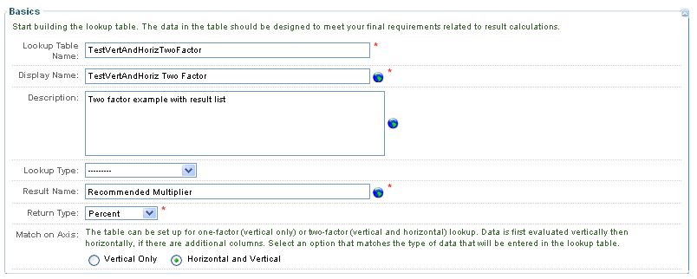

Sample two factor with result list lookup table creation. Matching data load in VerticalAndHorizontalLookupTableData.
AuthoriaVerticalAndHorizontalLookupTable | 850000000 | 178675716 | 1.14 |  | CK Annual Focal | SalaryPlan | TestVertAndHorizTwoFactorListResult | en_US |  | TestVertAndHoriz TwoFactor List Result | en_US |  | Description of TestVertAndHoriz TwoFactor List Result |  | en_US |  | Compa Ratio | Number |  | To Previous |  |  | Exception | en_US | TestVertAndHorizTwoFactor_ListResult_Performance | Performance | Text |  | Exact |  | Exception | en_US |  | Recommended Multiplier | Percent List | Minimum | en_US |  | Min | Mid | en_US |  | Mid | Maximum | en_US |  | Max

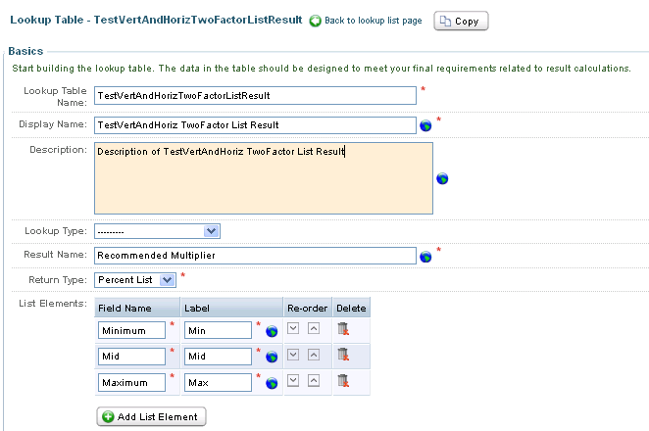

Return to Master Reqs

58 Vert and Hor Look Up Data
0 | 1 | 2 | 3 | 4 | 5 | 6 | 7 | 8 | 9 | 10 | 11 | 12 | 13 | 14 | 15 | 16 | 17 | 18 | 19
DocumentType | SenderId | ReceiverId | Version | Id | PlanName | PlanType | Name | VerticalMatchValue | HorizontalMatchValue | ColumnValue1 | ColumnValue2 | ColumnValue3 | ColumnValue4 | ColumnValue5 | ColumnValue6 | ColumnValue7 | ColumnValue8 | ColumnValue9 | ColumnValue10
AuthoriaVerticalAndHorizontalLookupTableData | 111111111 | 178675716 | 1.37.241100 | Do Not Use |  | PlanType
 |  |  |  |  |  | IncentivePlan
 |  |  |  |  |  | PerformancePlan
 |  |  |  |  |  | SalaryPlan
 |  |  |  |  |  | WorksheetRun

This is a a one factor lookup table mapping. Kill and fill feed. |  |  |  |  | Matches the plan name |  | Unique name per plan name
Note that each row in the file mark one row and column in the lookup table. The feed order is column values first then next row then column (1-n) again then rows(2-n). No null column values are allowed.

Sample two factor with single result lookup table data load. Matching setup in VerticalAndHorizontalLookupTable.

AuthoriaVerticalAndHorizontalLookupTableData | 850000000 | 178675716 | 1.37.241100 |  | CK Annual Focal | SalaryPlan | TestVertAndHorizTwoFactor | 0 | A | 0
AuthoriaVerticalAndHorizontalLookupTableData | 850000000 | 178675716 | 1.37.241100 |  | CK Annual Focal | SalaryPlan | TestVertAndHorizTwoFactor | 0 | B | 0.001
AuthoriaVerticalAndHorizontalLookupTableData | 850000000 | 178675716 | 1.37.241100 |  | CK Annual Focal | SalaryPlan | TestVertAndHorizTwoFactor | 0 | C | 0.002
AuthoriaVerticalAndHorizontalLookupTableData | 850000000 | 178675716 | 1.37.241100 |  | CK Annual Focal | SalaryPlan | TestVertAndHorizTwoFactor | 0.5 | A | 0.001
AuthoriaVerticalAndHorizontalLookupTableData | 850000000 | 178675716 | 1.37.241100 |  | CK Annual Focal | SalaryPlan | TestVertAndHorizTwoFactor | 0.5 | B | 0.0025
AuthoriaVerticalAndHorizontalLookupTableData | 850000000 | 178675716 | 1.37.241100 |  | CK Annual Focal | SalaryPlan | TestVertAndHorizTwoFactor | 0.5 | C | 0.005
AuthoriaVerticalAndHorizontalLookupTableData | 850000000 | 178675716 | 1.37.241100 |  | CK Annual Focal | SalaryPlan | TestVertAndHorizTwoFactor | 1 | A | 0.002
AuthoriaVerticalAndHorizontalLookupTableData | 850000000 | 178675716 | 1.37.241100 |  | CK Annual Focal | SalaryPlan | TestVertAndHorizTwoFactor | 1 | B | 0.004
AuthoriaVerticalAndHorizontalLookupTableData | 850000000 | 178675716 | 1.37.241100 |  | CK Annual Focal | SalaryPlan | TestVertAndHorizTwoFactor | 1 | C | 0.006

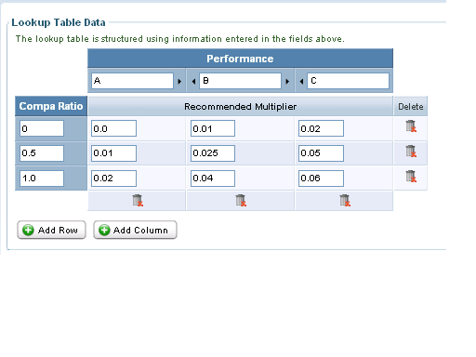

Sample two factor with result list lookup table data load. Matching setup in VerticalAndHorizontalLookupTable.

AuthoriaVerticalAndHorizontalLookupTableData | 850000000 | 178675716 | 1.14 |  | CK Annual Focal | SalaryPlan | TestVertAndHorizTwoFactorListResult | 0 | A | 0 | 0.0005 | 0.001
AuthoriaVerticalAndHorizontalLookupTableData | 850000000 | 178675716 | 1.14 |  | CK Annual Focal | SalaryPlan | TestVertAndHorizTwoFactorListResult | 0 | B | 0.001 | 0.0015 | 0.002
AuthoriaVerticalAndHorizontalLookupTableData | 850000000 | 178675716 | 1.14 |  | CK Annual Focal | SalaryPlan | TestVertAndHorizTwoFactorListResult | 0 | C | 0.002 | 0.0025 | 0.003
AuthoriaVerticalAndHorizontalLookupTableData | 850000000 | 178675716 | 1.14 |  | CK Annual Focal | SalaryPlan | TestVertAndHorizTwoFactorListResult | 0.5 | A | 0.001 | 0.0015 | 0.002
AuthoriaVerticalAndHorizontalLookupTableData | 850000000 | 178675716 | 1.14 |  | CK Annual Focal | SalaryPlan | TestVertAndHorizTwoFactorListResult | 0.5 | B | 0.0025 | 0.004 | 0.005
AuthoriaVerticalAndHorizontalLookupTableData | 850000000 | 178675716 | 1.14 |  | CK Annual Focal | SalaryPlan | TestVertAndHorizTwoFactorListResult | 0.5 | C | 0.005 | 0.0055 | 0.006
AuthoriaVerticalAndHorizontalLookupTableData | 850000000 | 178675716 | 1.14 |  | CK Annual Focal | SalaryPlan | TestVertAndHorizTwoFactorListResult | 1 | A | 0.002 | 0.003 | 0.004
AuthoriaVerticalAndHorizontalLookupTableData | 850000000 | 178675716 | 1.14 |  | CK Annual Focal | SalaryPlan | TestVertAndHorizTwoFactorListResult | 1 | B | 0.004 | 0.005 | 0.006
AuthoriaVerticalAndHorizontalLookupTableData | 850000000 | 178675716 | 1.14 |  | CK Annual Focal | SalaryPlan | TestVertAndHorizTwoFactorListResult | 1 | C | 0.006 | 0.007 | 0.008

Return to Master Reqs

58 Vert Look Up Table
0 | 1 | 2 | 3 | 4 | 5 | 6 | 7 | 8 | 9 | 10 | 11 | 12 | 13 | 14 | 15 | 16 | 17 | 18 | 19 | 20 | 21 | 22 | 23 | 24 | 25 | 26 | 27 | 28 | 29 | 30 | 31 | 32 | 33 | 34 | 35 | 36 | 37 | 38 | 39 | 40 | 41 | 42 | 43 | 44 | 45 | 46 | 47 | 48 | 49 | 50 | 51 | 52 | 53 | 54 | 55 | 56 | 56 | 57 | 58 | 59 | 60 | 61 | 62 | 63 | 64 | 65 | 66
DocumentType | SenderId | ReceiverId | Version | Id | PlanName | PlanType | Name | DisplayName.Locale | DisplayName.I18nKey | DisplayName | Description.Locale | Description.I18nKey | Description | LookupType | VerticalLookupTableOptions.Locale | VerticalLookupTableOptions.I18nKey | VerticalLookupTableOptions.Name | VerticalLookupTableOptions.DataType | VerticalLookupTableOptions.Ascending | VerticalLookupTableOptions.MatchMode | VerticalLookupTableOptions.InterpolationFormula | VerticalLookupTableOptions.OutOfBoundBehavior | VerticalLookupTableOptions.UpperOutOfBoundBehavior | ResultName.Locale | ResultName.I18nKey | ResultName | ResultType.DataType | ResultType.FieldName1 | ResultType.Local1 | ResultType.I18nKey1 | ResultType.Label1 | ResultType.FieldName2 | ResultType.Local2 | ResultType.I18nKey2 | ResultType.Label2 | ResultType.FieldName3 | ResultType.Local3 | ResultType.I18nKey3 | ResultType.Label3 | ResultType.FieldName4 | ResultType.Local4 | ResultType.I18nKey4 | ResultType.Label4 | ResultType.FieldName5 | ResultType.Local5 | ResultType.I18nKey5 | ResultType.Label5 | ResultType.FieldName6 | ResultType.Local6 | ResultType.I18nKey6 | ResultType.Label6 | ResultType.FieldName7 | ResultType.Local7 | ResultType.I18nKey7 | ResultType.Label7 | ResultType.FieldName8 | ResultType.Local8 | ResultType.I18nKey8 | ResultType.Label8 | ResultType.FieldName9 | ResultType.Local9 | ResultType.I18nKey9 | ResultType.Label9 | ResultType.FieldName10 | ResultType.Local10 | ResultType.I18nKey10 | ResultType.Label10
AuthoriaVerticalLookupTable | 111111111 | 178675716 | 1.37.241100 | Do Not Use |  | PlanType |  |  |  |  |  |  |  | LookupType |  |  |  | DataType | Ascending | VerticalMatchMode |  | Out Of Bounds Behavior | Out Of Bounds Behavior |  |  |  | Result DataType
 |  |  |  |  |  | PerformancePlan |  | Required if DisplayName |  |  | Required if Description |  |  | Admin Only | Required if |  |  | Number | yes | Exact |  | Exception | Exception | Required if ResultName |  |  | Number | Provide these fields if the lookup result type is a list. For example Minimum, Mid, and Maximum is a valid list. Skip if the result type is not a list.
 |  |  |  |  |  | SalaryPlan |  |  |  |  |  |  |  | Salary Increase Guide | VerticalLookupTableOptions.Name |  |  | Percent | no | To Next |  | Snap | Snap |  |  |  | Percent
 |  |  |  |  |  | WorksheetRun |  |  |  |  |  |  |  | Other |  |  |  | Text |  | To Previous |  |  | Zero |  |  |  | Text
 |  |  |  |  |  | Incentive Plan |  |  |  |  |  |  |  |  |  |  |  | Boolean |  | Round |  |  |  |  |  |  | Boolean
This is a a one factor lookup table mapping. This feed creates the Lookup table. |  |  |  |  | Matches the plan name |  | Unique name per plan name |  |  |  |  |  |  |  |  |  |  | Date |  | Straight Line Interpolation |  |  |  |  |  |  | Date
Multiple one factor lookup tables can be created with this import flat file. |  |  |  |  |  |  |  |  |  |  |  |  |  |  |  |  |  |  |  | Custom Interpolation |  |  |  |  |  |  | Number List
Use the VerticalAndHorizontalLookupTable for two factor implementation. |  |  |  |  |  |  |  |  |  |  |  |  |  |  |  |  |  |  |  |  |  |  |  |  |  |  | Percent List
 |  |  |  |  |  |  |  |  |  |  |  |  |  |  |  |  |  |  |  |  |  |  |  |  |  |  | Text List
 |  |  |  |  |  |  |  |  |  |  |  |  |  |  |  |  |  |  |  |  |  |  |  |  |  |  | Boolean List
 |  |  |  |  |  |  |  |  |  |  |  |  |  |  |  |  |  |  |  |  |  |  |  |  |  |  | Date List

Sample one factor look with single result type, matching data load is in VerticalLookupTableData flat file definition:
AuthoriaVerticalLookupTable | 850000000 | 178675716 | 1.22.110200 |  | CK Annual Focal | SalaryPlan | TestVerticalOneFactor | en_US |  | Test Vertical One | en_US |  | Description of Vertical One Factor |  |  |  |  | Number |  | To Previous |  | Exception | Exception | en_US |  | TestResult | Number

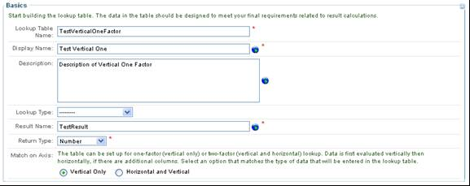

Sample one factor look with result array matching data load is in VerticalLookupTableData flat file definition:
AuthoriaVerticalLookupTable | 850000000 | 178675716 | 1.22.110200 |  | CK Annual Focal | SalaryPlan | TestVerticalOneFactorResultList | en_US |  | One Factor Result List | en_US |  | Description Vertical or One Factor with Result List |  | en_US | TestVerticalOneFactorResultList_Performance | Performance | Text |  | Exact |  | Exception | Exception | en_US |  | TestResult | Number List | Minimum | en_US |  | Min | Maximum | en_US |  | Max

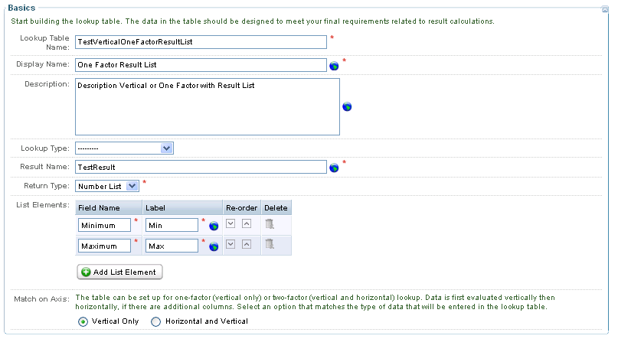

Return to Master Reqs

